Coin Flipping Game
Pressing the F9 key (or any change) causes Excel to recalculate the entire spreadsheet.
Coin-Flipping Game
 |  |  |  |  |  |  | Play | # Flips | Winning
 |  | Required Difference | 3 |  |  |  |  | 3 | 5
 |  | Cash At End of Game | $8 |  |  |  | 1 | 3 | 5
 |  |  |  |  |  |  | 2 | 5 | 3
 |  |  | Summary of Game |  |  |  | 3 | 7 | 1
 |  | Number of Flips | 3 | =COUNTBLANK(Stop?)+1 |  |  | 4 | 7 | 1
 |  | Winnings | $5 | =CashAtEndOfGame-NumberOfFlips |  |  | 5 | 17 | -9
 |  |  |  |  |  |  | 6 | 15 | -7
 |  |  |  |  |  |  | 7 | 5 | 3
 |  | Random |  | Total | Total |  | 8 | 3 | 5
 | Flip | Number | Result | Heads | Tails | Stop? | 9 | 3 | 5
 | 1 | 0.1725 | Heads | 1 | 0 |  | 10 | 5 | 3
 | 2 | 0.4261 | Heads | 2 | 0 |  | 11 | 13 | -5
 | 3 | 0.4974 | Heads | 3 | 0 | Stop | 12 | 7 | 1
 | 4 | 0.1993 | Heads | 4 | 0 | NA | 13 | 11 | -3
 | 5 | 0.5676 | Tails | 4 | 1 | NA | 14 | 3 | 5
 | 6 | 0.1539 | Heads | 5 | 1 | NA | Average | 7.1333 | 0.8667
 | 7 | 0.6033 | Tails | 5 | 2 | NA
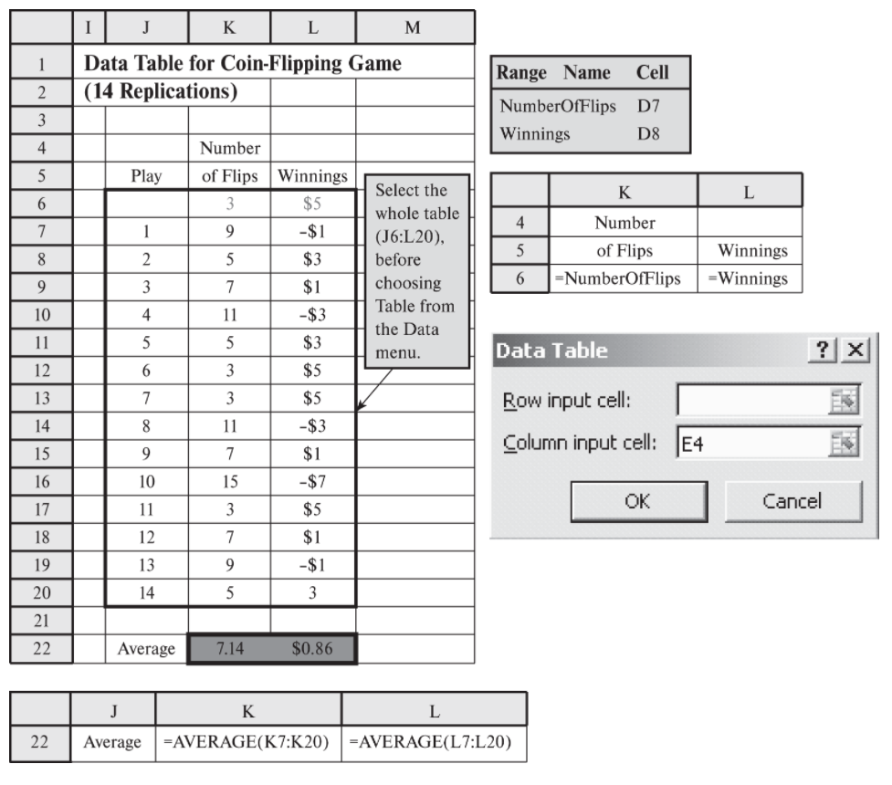
 | 8 | 0.2032 | Heads | 6 | 2 | NA
 | 9 | 0.7560 | Tails | 6 | 3 | NA
 | 10 | 0.8287 | Tails | 6 | 4 | NA
 | 11 | 0.5014 | Tails | 6 | 5 | NA
 | 12 | 0.8585 | Tails | 6 | 6 | NA
 | 13 | 0.4589 | Heads | 7 | 6 | NA
 | 14 | 0.0552 | Heads | 8 | 6 | NA
 | 15 | 0.1386 | Heads | 9 | 6 | NA
 | 16 | 0.0549 | Heads | 10 | 6 | NA
 | 17 | 0.5246 | Tails | 10 | 7 | NA
 | 18 | 0.3177 | Heads | 11 | 7 | NA
 | 19 | 0.6083 | Tails | 11 | 8 | NA
 | 20 | 0.7877 | Tails | 11 | 9 | NA
 | 21 | 0.9977 | Tails | 11 | 10 | NA
 | 22 | 0.1454 | Heads | 12 | 10 | NA
 | 23 | 0.8326 | Tails | 12 | 11 | NA
 | 24 | 0.6889 | Tails | 12 | 12 | NA
 | 25 | 0.1426 | Heads | 13 | 12 | NA
 | 26 | 0.5973 | Tails | 13 | 13 | NA
 | 27 | 0.3555 | Heads | 14 | 13 | NA
 | 28 | 0.9455 | Tails | 14 | 14 | NA
 | 29 | 0.8460 | Tails | 14 | 15 | NA
 | 30 | 0.0092 | Heads | 15 | 15 | NA
 | 31 | 0.2093 | Heads | 16 | 15 | NA
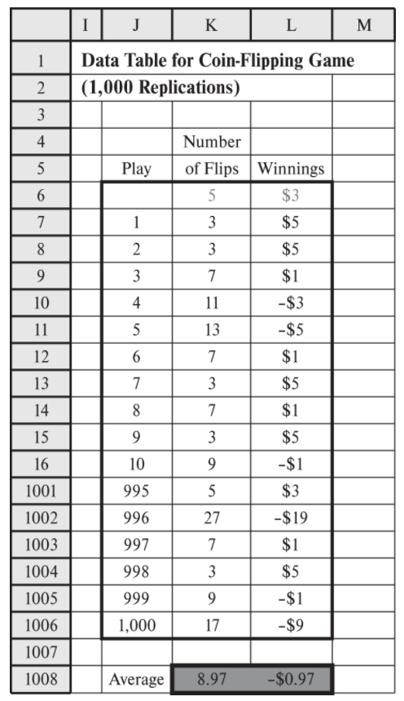
 | 32 | 0.5789 | Tails | 16 | 16 | NA
 | 33 | 0.4521 | Heads | 17 | 16 | NA
 | 34 | 0.5452 | Tails | 17 | 17 | NA
 | 35 | 0.4657 | Heads | 18 | 17 | NA
 | 36 | 0.3088 | Heads | 19 | 17 | NA
 | 37 | 0.9496 | Tails | 19 | 18 | NA
 | 38 | 0.3392 | Heads | 20 | 18 | NA
 | 39 | 0.1027 | Heads | 21 | 18 | NA
 | 40 | 0.7761 | Tails | 21 | 19 | NA
 | 41 | 0.4102 | Heads | 22 | 19 | NA
 | 42 | 0.8177 | Tails | 22 | 20 | NA
 | 43 | 0.2993 | Heads | 23 | 20 | NA
 | 44 | 0.1831 | Heads | 24 | 20 | NA
 | 45 | 0.5792 | Tails | 24 | 21 | NA
 | 46 | 0.1469 | Heads | 25 | 21 | NA
 | 47 | 0.1933 | Heads | 26 | 21 | NA
 | 48 | 0.7709 | Tails | 26 | 22 | NA
 | 49 | 0.7838 | Tails | 26 | 23 | NA
 | 50 | 0.1814 | Heads | 27 | 23 | NA

Heavy Duty Co.
Lower bound of the range for VLOOKUP.
Starting point of the Cumulitavie Probabiblity of breakdown before the number of days in column K.
Heavy Duty Company Corrective Maintenance Simulation

 |  | Random | Time Since Last | Cumulative |  | Cumulative | Distribution of
 | Breakdown | Number | Breakdown | Day | Cost | Cost | Time Between Breakdowns
 | 1 | 0.8179 | 6 | 6 | $11,000 | $11,000 |  |  | Number
 | 2 | 0.4524 | 5 | 11 | $11,000 | $22,000 | Probability | Cumulative | of Days
 | 3 | 0.3590 | 5 | 16 | $11,000 | $33,000 | 0.25 | 0 | 4
 | 4 | 0.6445 | 5 | 21 | $11,000 | $44,000 | 0.5 | 0.25 | 5
 | 5 | 0.8786 | 6 | 27 | $11,000 | $55,000 | 0.25 | 0.75 | 6
 | 6 | 0.4106 | 5 | 32 | $11,000 | $66,000
 | 7 | 0.9488 | 6 | 38 | $11,000 | $77,000 | Breakdown Cost | $11,000
 | 8 | 0.7321 | 5 | 43 | $11,000 | $88,000
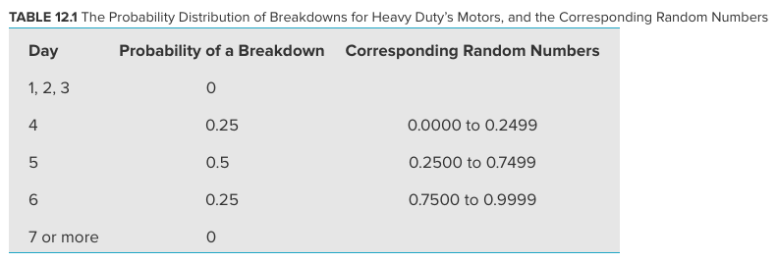
 | 9 | 0.1216 | 4 | 47 | $11,000 | $99,000
 | 10 | 0.5373 | 5 | 52 | $11,000 | $110,000
 | 11 | 0.5071 | 5 | 57 | $11,000 | $121,000
 | 12 | 0.1606 | 4 | 61 | $11,000 | $132,000
 | 13 | 0.6856 | 5 | 66 | $11,000 | $143,000
 | 14 | 0.3374 | 5 | 71 | $11,000 | $154,000
 | 15 | 0.6720 | 5 | 76 | $11,000 | $165,000
 | 16 | 0.5332 | 5 | 81 | $11,000 | $176,000
 | 17 | 0.9823 | 6 | 87 | $11,000 | $187,000
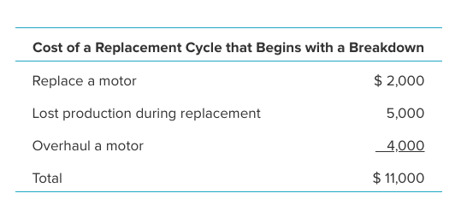
 | 18 | 0.6992 | 5 | 92 | $11,000 | $198,000
 | 19 | 0.4429 | 5 | 97 | $11,000 | $209,000
 | 20 | 0.6519 | 5 | 102 | $11,000 | $220,000
 | 21 | 0.8744 | 6 | 108 | $11,000 | $231,000
 | 22 | 0.5235 | 5 | 113 | $11,000 | $242,000
 | 23 | 0.8780 | 6 | 119 | $11,000 | $253,000
 | 24 | 0.3535 | 5 | 124 | $11,000 | $264,000
 | 25 | 0.5858 | 5 | 129 | $11,000 | $275,000
 | 26 | 0.0179 | 4 | 133 | $11,000 | $286,000
 | 27 | 0.6935 | 5 | 138 | $11,000 | $297,000
 | 28 | 0.3133 | 5 | 143 | $11,000 | $308,000
 | 29 | 0.4784 | 5 | 148 | $11,000 | $319,000 |  | Average Cost per Day
 | 30 | 0.2654 | 5 | 153 | $11,000 | $330,000 |  | $2,157

After this (corrective Maintenance), go back to slides for preventive maintenance.

Replace After 4
Heavy Duty Company Preventive Maintenance Simulation (Replace After 4 Days)

 |  | Random | Time Until | Scheduled Time | Event That | Cumulative |  | Cumulative | Distribution of |  |  | Range Name | Cells
 | Cycle | Number | Breakdown | Until Replacement | Concludes Cycle | Day | Cost | Cost | Time Between Breakdowns |  |  | AverageCostPerDay | L34
 | 1 | 0.2296 | 4 | 4 | Breakdown | 4 | $11,000 | $11,000 |  |  | Number | BreakdownCost | L11
 | 2 | 0.6695 | 5 | 4 | Replacement | 8 | $6,000 | $17,000 | Probability | Cumulative | of Days | Cost | H5:H34
 | 3 | 0.8010 | 6 | 4 | Replacement | 12 | $6,000 | $23,000 | 0.25 | 0 | 4 | Cycle | B5:B34
 | 4 | 0.2876 | 5 | 4 | Replacement | 16 | $6,000 | $29,000 | 0.5 | 0.25 | 5 | CumulativeCost | I5:I34
 | 5 | 0.0291 | 4 | 4 | Breakdown | 20 | $11,000 | $40,000 | 0.25 | 0.75 | 6 | CumulativeDay | G5:G34
 | 6 | 0.6316 | 5 | 4 | Replacement | 24 | $6,000 | $46,000 |  |  |  | Event | F5:F34
 | 7 | 0.5658 | 5 | 4 | Replacement | 28 | $6,000 | $52,000 | Breakdown Cost | $11,000 |  | RandomNumber | C5:C34
 | 8 | 0.4771 | 5 | 4 | Replacement | 32 | $6,000 | $58,000 | Replacement Cost | $6,000 |  | ReplaceAfter | L14
 | 9 | 0.7058 | 5 | 4 | Replacement | 36 | $6,000 | $64,000 |  |  |  | ReplacementCost | L12
 | 10 | 0.7510 | 6 | 4 | Replacement | 40 | $6,000 | $70,000 | Replace After | 4 | days | ScheduledTimeUntilReplacement | E5:E34
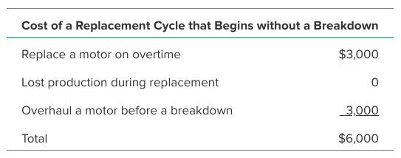
 | 11 | 0.3066 | 5 | 4 | Replacement | 44 | $6,000 | $76,000 |  |  |  | TimeUntilBreakdown | D5:D34
 | 12 | 0.6047 | 5 | 4 | Replacement | 48 | $6,000 | $82,000
 | 13 | 0.8773 | 6 | 4 | Replacement | 52 | $6,000 | $88,000
 | 14 | 0.3557 | 5 | 4 | Replacement | 56 | $6,000 | $94,000
 | 15 | 0.3847 | 5 | 4 | Replacement | 60 | $6,000 | $100,000
 | 16 | 0.1146 | 4 | 4 | Breakdown | 64 | $11,000 | $111,000
 | 17 | 0.5391 | 5 | 4 | Replacement | 68 | $6,000 | $117,000
 | 18 | 0.6923 | 5 | 4 | Replacement | 72 | $6,000 | $123,000
 | 19 | 0.5775 | 5 | 4 | Replacement | 76 | $6,000 | $129,000
 | 20 | 0.0084 | 4 | 4 | Breakdown | 80 | $11,000 | $140,000
 | 21 | 0.0016 | 4 | 4 | Breakdown | 84 | $11,000 | $151,000
 | 22 | 0.5086 | 5 | 4 | Replacement | 88 | $6,000 | $157,000
 | 23 | 0.4728 | 5 | 4 | Replacement | 92 | $6,000 | $163,000
 | 24 | 0.4172 | 5 | 4 | Replacement | 96 | $6,000 | $169,000
 | 25 | 0.2675 | 5 | 4 | Replacement | 100 | $6,000 | $175,000
 | 26 | 0.1045 | 4 | 4 | Breakdown | 104 | $11,000 | $186,000
 | 27 | 0.1420 | 4 | 4 | Breakdown | 108 | $11,000 | $197,000
 | 28 | 0.1070 | 4 | 4 | Breakdown | 112 | $11,000 | $208,000
 | 29 | 0.9191 | 6 | 4 | Replacement | 116 | $6,000 | $214,000 |  | Average Cost per Day
 | 30 | 0.3614 | 5 | 4 | Replacement | 120 | $6,000 | $220,000 |  | $1,833

Replacement cycle: the time from when a replacement of a motor begins until just before another replacement is needed (either breakdown or replacement).

Normal Distribution
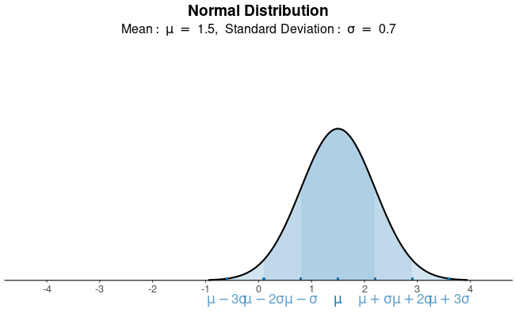

https://istats.shinyapps.io/NormalDist/

Normal Dist.
Mean | 1.5
SD | 0.7

Simulated Distribution
1.6327711671 | =NORMINV(RAND(), $C$8, $C$9)
2.5886990371
0.66136497412
2.5381194666
1.2653759667
1.7721665046
1.8019421512
1.5442498982
2.54393239
1.5433860724
1.937300355
0.1129064433
1.4452399192

A Histogram will show that these numbers are from a normal distribution. Note: you need a large number e.g. 10k

Herr Cutter
Herr Cutter's Barber Shop

=-30*LN(RAND())
 |  |  | (exponential)
 |  | Mean Interarrival Time | 30 | minutes

15+10*RAND()
 |  |  | (uniform)
 |  | Min Service Time | 15 | minutes
 |  | Max Service Time | 25 | minutes

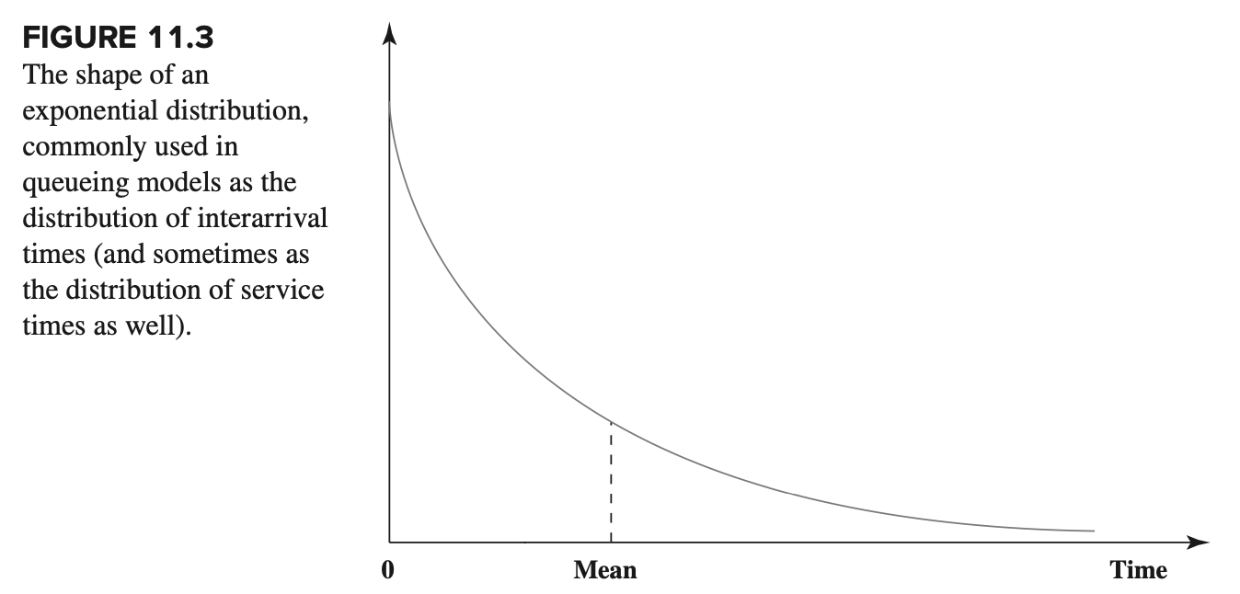
 |  | Average Time in Line (Wq) | 20.7 | minutes
 |  | Average Time in System (W) | 40.9 | minutes

 |  |  | Time | Time |  | Time | Time | Time
 | Customer | Interarrival | of | Service | Service | Service | in | in
 | Arrival | Time | Arrival | Begins | Time | Ends | Line | System
 | 1 | 41.0 | 41.0 | 41.0 | 19.6 | 60.6 | 0.0 | 19.6
 | 2 | 83.2 | 124.2 | 124.2 | 16.7 | 140.9 | 0.0 | 16.7
 | 3 | 2.1 | 126.3 | 140.9 | 16.5 | 157.4 | 14.6 | 31.1
 | 4 | 6.5 | 132.8 | 157.4 | 20.2 | 177.6 | 24.6 | 44.8
 | 5 | 27.7 | 160.5 | 177.6 | 23.4 | 201.0 | 17.1 | 40.5
 | 6 | 47.6 | 208.1 | 208.1 | 18.0 | 226.1 | 0.0 | 18.0
 | 7 | 60.8 | 268.9 | 268.9 | 22.8 | 291.7 | 0.0 | 22.8 | https://youtu.be/OyREtbNfi5w
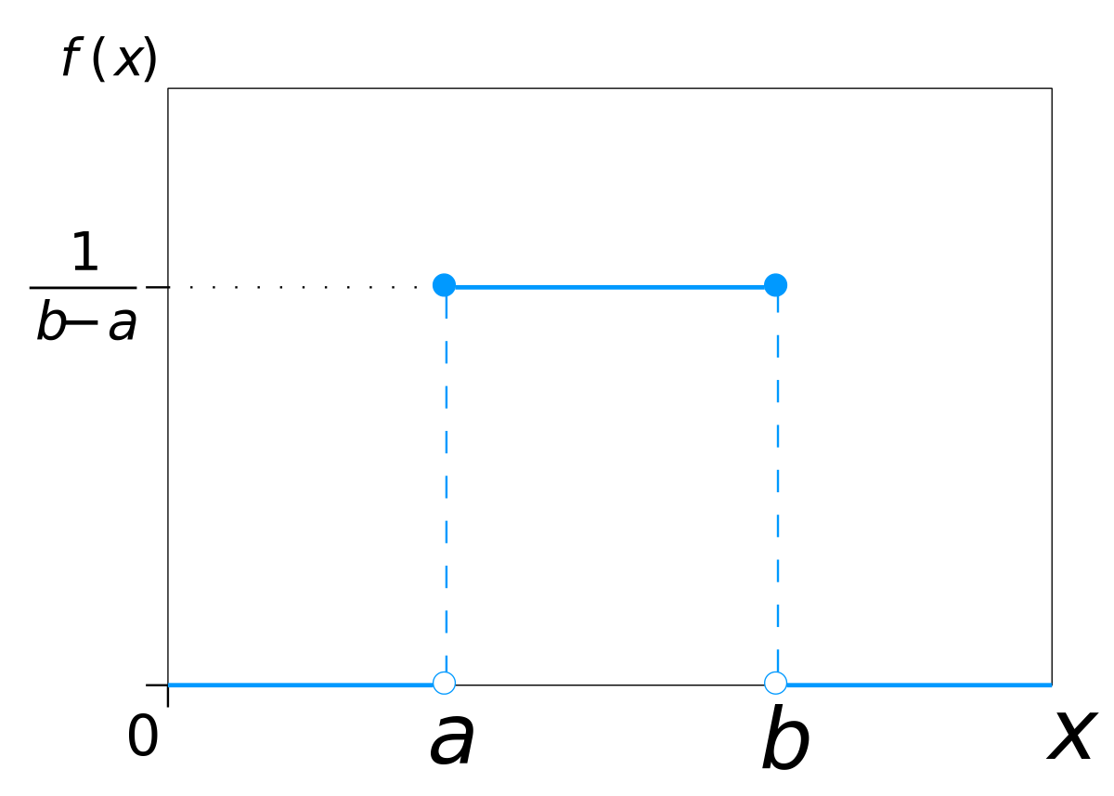
 | 8 | 16.7 | 285.6 | 291.7 | 18.7 | 310.4 | 6.1 | 24.7
 | 9 | 40.4 | 326.0 | 326.0 | 24.8 | 350.8 | 0.0 | 24.8
 | 10 | 34.6 | 360.6 | 360.6 | 15.9 | 376.6 | 0.0 | 15.9
 | 11 | 1.8 | 362.5 | 376.6 | 23.6 | 400.2 | 14.1 | 37.8
 | 12 | 3.3 | 365.8 | 400.2 | 21.0 | 421.2 | 34.4 | 55.4
 | 13 | 0.4 | 366.2 | 421.2 | 19.1 | 440.3 | 55.0 | 74.1
 | 14 | 66.6 | 432.8 | 440.3 | 21.5 | 461.7 | 7.5 | 29.0
 | 15 | 15.7 | 448.5 | 461.7 | 15.5 | 477.2 | 13.3 | 28.7
 | 16 | 34.2 | 482.6 | 482.6 | 16.0 | 498.6 | 0.0 | 16.0
 | 17 | 16.0 | 498.6 | 498.6 | 22.0 | 520.6 | 0.0 | 22.0
 | 18 | 12.6 | 511.2 | 520.6 | 21.9 | 542.6 | 9.4 | 31.4
 | 19 | 52.9 | 564.2 | 564.2 | 22.5 | 586.7 | 0.0 | 22.5
 | 20 | 20.9 | 585.1 | 586.7 | 17.2 | 603.8 | 1.6 | 18.7
 | 21 | 42.5 | 627.6 | 627.6 | 15.2 | 642.8 | 0.0 | 15.2
 | 22 | 36.3 | 663.8 | 663.8 | 20.4 | 684.2 | 0.0 | 20.4
 | 23 | 59.9 | 723.8 | 723.8 | 22.4 | 746.2 | 0.0 | 22.4
 | 24 | 0.9 | 724.6 | 746.2 | 20.5 | 766.7 | 21.6 | 42.1
 | 25 | 92.0 | 816.6 | 816.6 | 25.0 | 841.6 | 0.0 | 25.0
 | 26 | 11.1 | 827.7 | 841.6 | 24.4 | 865.9 | 13.9 | 38.2
 | 27 | 6.2 | 833.9 | 865.9 | 24.6 | 890.6 | 32.0 | 56.7
 | 28 | 54.7 | 888.6 | 890.6 | 24.1 | 914.7 | 1.9 | 26.0
 | 29 | 46.1 | 934.7 | 934.7 | 18.8 | 953.5 | 0.0 | 18.8
 | 30 | 29.0 | 963.7 | 963.7 | 18.3 | 982.0 | 0.0 | 18.3
 | 31 | 29.3 | 992.9 | 992.9 | 21.6 | 1,014.6 | 0.0 | 21.6
 | 32 | 4.2 | 997.2 | 1,014.6 | 18.4 | 1,033.0 | 17.4 | 35.8
 | 33 | 50.7 | 1,047.9 | 1,047.9 | 19.8 | 1,067.6 | 0.0 | 19.8
 | 34 | 12.3 | 1,060.2 | 1,067.6 | 18.9 | 1,086.5 | 7.4 | 26.3
 | 35 | 10.8 | 1,071.0 | 1,086.5 | 17.4 | 1,103.8 | 15.5 | 32.9
 | 36 | 12.1 | 1,083.0 | 1,103.8 | 21.7 | 1,125.6 | 20.8 | 42.5
 | 37 | 63.8 | 1,146.8 | 1,146.8 | 19.8 | 1,166.6 | 0.0 | 19.8
 | 38 | 39.1 | 1,185.9 | 1,185.9 | 17.2 | 1,203.1 | 0.0 | 17.2
 | 39 | 16.8 | 1,202.6 | 1,203.1 | 22.3 | 1,225.3 | 0.5 | 22.7
 | 40 | 9.3 | 1,211.9 | 1,225.3 | 22.1 | 1,247.5 | 13.4 | 35.5
 | 41 | 32.5 | 1,244.4 | 1,247.5 | 19.6 | 1,267.1 | 3.1 | 22.7
 | 42 | 36.5 | 1,280.9 | 1,280.9 | 19.6 | 1,300.5 | 0.0 | 19.6
 | 43 | 27.2 | 1,308.1 | 1,308.1 | 23.8 | 1,331.9 | 0.0 | 23.8
 | 44 | 2.6 | 1,310.7 | 1,331.9 | 16.0 | 1,347.9 | 21.2 | 37.2
 | 45 | 4.4 | 1,315.1 | 1,347.9 | 23.3 | 1,371.2 | 32.8 | 56.1
 | 46 | 31.6 | 1,346.7 | 1,371.2 | 17.6 | 1,388.8 | 24.5 | 42.1
 | 47 | 5.5 | 1,352.2 | 1,388.8 | 16.9 | 1,405.6 | 36.5 | 53.4
 | 48 | 1.7 | 1,353.9 | 1,405.6 | 17.0 | 1,422.6 | 51.7 | 68.7
 | 49 | 5.9 | 1,359.9 | 1,422.6 | 21.8 | 1,444.4 | 62.7 | 84.5
 | 50 | 14.1 | 1,373.9 | 1,444.4 | 22.6 | 1,467.0 | 70.4 | 93.1
 | 51 | 33.9 | 1,407.9 | 1,467.0 | 21.0 | 1,488.1 | 59.2 | 80.2
 | 52 | 6.5 | 1,414.3 | 1,488.1 | 17.0 | 1,505.1 | 73.7 | 90.7
 | 53 | 60.6 | 1,475.0 | 1,505.1 | 22.8 | 1,527.9 | 30.1 | 52.9
 | 54 | 15.4 | 1,490.3 | 1,527.9 | 18.6 | 1,546.5 | 37.5 | 56.1
 | 55 | 8.2 | 1,498.6 | 1,546.5 | 21.4 | 1,567.8 | 47.9 | 69.3
 | 56 | 3.4 | 1,502.0 | 1,567.8 | 16.7 | 1,584.6 | 65.9 | 82.6
 | 57 | 64.4 | 1,566.3 | 1,584.6 | 18.8 | 1,603.4 | 18.2 | 37.0
 | 58 | 12.6 | 1,578.9 | 1,603.4 | 15.0 | 1,618.4 | 24.5 | 39.5
 | 59 | 60.0 | 1,638.9 | 1,638.9 | 23.9 | 1,662.8 | 0.0 | 23.9
 | 60 | 38.0 | 1,676.9 | 1,676.9 | 22.6 | 1,699.5 | 0.0 | 22.6
 | 61 | 2.7 | 1,679.6 | 1,699.5 | 17.0 | 1,716.5 | 19.9 | 36.9
 | 62 | 2.9 | 1,682.5 | 1,716.5 | 24.3 | 1,740.9 | 34.0 | 58.4
 | 63 | 82.4 | 1,764.9 | 1,764.9 | 16.2 | 1,781.1 | 0.0 | 16.2
 | 64 | 44.6 | 1,809.6 | 1,809.6 | 20.8 | 1,830.3 | 0.0 | 20.8
 | 65 | 28.7 | 1,838.3 | 1,838.3 | 21.8 | 1,860.1 | 0.0 | 21.8
 | 66 | 58.9 | 1,897.2 | 1,897.2 | 20.6 | 1,917.8 | 0.0 | 20.6
 | 67 | 3.1 | 1,900.3 | 1,917.8 | 20.5 | 1,938.3 | 17.5 | 38.1
 | 68 | 30.8 | 1,931.1 | 1,938.3 | 15.2 | 1,953.5 | 7.2 | 22.4
 | 69 | 45.8 | 1,976.9 | 1,976.9 | 22.2 | 1,999.1 | 0.0 | 22.2
 | 70 | 66.9 | 2,043.9 | 2,043.9 | 24.5 | 2,068.4 | 0.0 | 24.5
 | 71 | 18.3 | 2,062.2 | 2,068.4 | 20.9 | 2,089.3 | 6.2 | 27.1
 | 72 | 6.4 | 2,068.6 | 2,089.3 | 24.3 | 2,113.6 | 20.7 | 45.0
 | 73 | 34.7 | 2,103.3 | 2,113.6 | 23.6 | 2,137.2 | 10.3 | 33.9
 | 74 | 46.1 | 2,149.4 | 2,149.4 | 23.0 | 2,172.5 | 0.0 | 23.0
 | 75 | 5.2 | 2,154.6 | 2,172.5 | 22.8 | 2,195.3 | 17.9 | 40.7
 | 76 | 5.2 | 2,159.8 | 2,195.3 | 23.3 | 2,218.6 | 35.5 | 58.8
 | 77 | 13.0 | 2,172.8 | 2,218.6 | 20.8 | 2,239.4 | 45.8 | 66.6
 | 78 | 63.2 | 2,236.0 | 2,239.4 | 17.2 | 2,256.6 | 3.4 | 20.6
 | 79 | 5.5 | 2,241.5 | 2,256.6 | 17.3 | 2,273.9 | 15.1 | 32.4
 | 80 | 2.3 | 2,243.8 | 2,273.9 | 19.8 | 2,293.7 | 30.2 | 49.9
 | 81 | 1.0 | 2,244.8 | 2,293.7 | 16.1 | 2,309.8 | 48.9 | 65.0
 | 82 | 2.2 | 2,247.0 | 2,309.8 | 20.7 | 2,330.5 | 62.8 | 83.6
 | 83 | 11.5 | 2,258.5 | 2,330.5 | 16.2 | 2,346.7 | 72.0 | 88.2
 | 84 | 52.3 | 2,310.8 | 2,346.7 | 18.7 | 2,365.4 | 35.9 | 54.6
 | 85 | 46.2 | 2,357.0 | 2,365.4 | 24.3 | 2,389.8 | 8.5 | 32.8
 | 86 | 0.1 | 2,357.0 | 2,389.8 | 19.4 | 2,409.1 | 32.7 | 52.1
 | 87 | 55.5 | 2,412.5 | 2,412.5 | 15.1 | 2,427.7 | 0.0 | 15.1
 | 88 | 4.6 | 2,417.1 | 2,427.7 | 17.0 | 2,444.6 | 10.6 | 27.5
 | 89 | 16.5 | 2,433.6 | 2,444.6 | 24.0 | 2,468.7 | 11.0 | 35.1
 | 90 | 19.1 | 2,452.7 | 2,468.7 | 18.9 | 2,487.5 | 15.9 | 34.8
 | 91 | 7.6 | 2,460.3 | 2,487.5 | 21.0 | 2,508.6 | 27.2 | 48.2
 | 92 | 4.3 | 2,464.6 | 2,508.6 | 24.2 | 2,532.8 | 43.9 | 68.1
 | 93 | 21.0 | 2,485.6 | 2,532.8 | 22.1 | 2,554.9 | 47.2 | 69.3
 | 94 | 42.2 | 2,527.8 | 2,554.9 | 21.3 | 2,576.2 | 27.1 | 48.4
 | 95 | 2.7 | 2,530.4 | 2,576.2 | 16.7 | 2,592.8 | 45.7 | 62.4
 | 96 | 24.5 | 2,555.0 | 2,592.8 | 15.8 | 2,608.6 | 37.9 | 53.7
 | 97 | 6.9 | 2,561.9 | 2,608.6 | 25.0 | 2,633.6 | 46.8 | 71.7
 | 98 | 9.5 | 2,571.3 | 2,633.6 | 17.1 | 2,650.7 | 62.3 | 79.4
 | 99 | 3.7 | 2,575.1 | 2,650.7 | 19.0 | 2,669.7 | 75.7 | 94.7
 | 100 | 0.3 | 2,575.3 | 2,669.7 | 22.9 | 2,692.7 | 94.4 | 117.3

Queuing Simulator w1
Queueing Simulation (No Associate)

 |  | Data |  |  | Results
 | Number of Servers = | 1 |  | Point | 95% Confidence Interval
 |  |  |  | Estimate | Low | High
 | Interarrival Times |  | L = | 1.3582778839 | 1.2860292055 | 1.4305265623
 | Distribution = | Exponential | Lq = | 0.68465293026 | 0.62300466557 | 0.74630119495
 | Mean = | 30 | W = | 40.298869158 | 38.744811511 | 41.852926804
 |  |  | Wq = | 20.313029596 | 18.763556567 | 21.862502625

 | Service Times |  | P0 = | 0.32637504637 | 0.31310314251 | 0.33964695023
 | Distribution = | Uniform | P1 = | 0.30661398173 | 0.29757295298 | 0.31565501047
 | Minimum Value = | 15 | P2 = | 0.18712043816 | 0.18015519612 | 0.1940856802
 | Maximum Value = | 25 | P3 = | 0.098577836999 | 0.091346842115 | 0.10580883188
 |  |  | P4 = | 0.044807735257 | 0.0392221035 | 0.050393367015
 | Length of Simulation Run |  | P5 = | 0.022572455681 | 0.017768146756 | 0.027376764607
 | Number of Arrivals = | 10,000 | P6 = | 0.0094658763133 | 0.0064020954356 | 0.012529657191
 |  |  | P7 = | 0.0032088231642 | 0.0016643514297 | 0.0047532948986
 |  |  | P8 = | 0.00098454064902 | 0.00032334889576 | 0.0016457324023
Run Simulation
 |  |  | P9 = | 0.0002697066245 | -0.00015878054165 | 0.00069819379066
 |  |  | P10 = | 3.559057068E-06 | -3.3981876409E-06 | 1.0516301777E-05

Queuing Simulator w2
Queueing Simulation (With Associate)

 |  | Data |  |  | Results
 | Number of Servers = | 2 |  | Point | 95% Confidence Interval
 |  |  |  | Estimate | Low | High
 | Interarrival Times |  | L = | 2.0950817962 | 2.0606161331 | 2.1295474593
 | Distribution = | Exponential | Lq = | 0.69664609879 | 0.66900011522 | 0.72429208236
 | Mean = | 14.3 | W = | 29.946621094 | 29.589410666 | 30.303831521
 |  |  | Wq = | 9.9577003601 | 9.6034074557 | 10.311993265

 | Service Times |  | P0 = | 0.16674014836 | 0.16351481049 | 0.16996548622
 | Distribution = | Uniform | P1 = | 0.26808400586 | 0.26448644848 | 0.27168156323
 | Minimum Value = | 15 | P2 = | 0.23278922805 | 0.23013713214 | 0.23544132395
 | Maximum Value = | 25 | P3 = | 0.15246101621 | 0.15016871618 | 0.15475331625
 |  |  | P4 = | 0.087301754131 | 0.085134336459 | 0.089469171803
 | Length of Simulation Run |  | P5 = | 0.045941714262 | 0.044050187434 | 0.047833241091
 | Number of Arrivals = | 100,000 | P6 = | 0.023383976174 | 0.021841332498 | 0.02492661985
 |  |  | P7 = | 0.011823029016 | 0.010651253522 | 0.012994804511
 |  |  | P8 = | 0.0060224900112 | 0.0051692844634 | 0.0068756955589
Run Simulation
 |  |  | P9 = | 0.002955256089 | 0.0023740395304 | 0.0035364726477
 |  |  | P10 = | 0.0012289180832 | 0.00086852260614 | 0.0015893135604

Analyzing the option of adding an associate.
Probability distribution of service times (the times required to give a haircut) for the associate would be the same as for Herr Cutter.
Based on the second rule of thumb given in Section 12.2, they also are assuming that adding the associate would
(1) reduce the average waiting time before a haircut begins to less than 10 minutes and
(2) then gradually attract new business until this average waiting time reaches about 10 minutes.
Taverage number of customers per day determines the mean of the probability distribution of interarrival times.
Therefore, a number of computer simulations will be run with different means of this distribution to determine which mean would result in an average waiting time of about 10 minutes.

